Cover
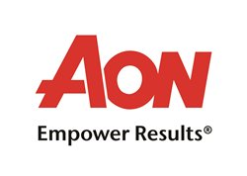
Mongomery County Agencies (Montgomery County Public Schools, Maryland National Park and Planning Commission, Washington Suburban Sanitation Commission)

RFP 4194.3 - COBRA/Direct Billing/FSA/HSA Marketing Review
Effective: January 1, 2021

